Page 64
CALCULATING THE NET PRESENT VALUE (NPV) WITH EXCEL
Interest rate, r | 5%

Year | Payment | Present value
0 | -800 | -800.00 | #NAME?
1 | 100 | 95.24 | #NAME?
2 | 150 | 136.05
3 | 200 | 172.77
4 | 250 | 205.68
5 | 300 | 235.06

NPV
Summing the present values |  | 44.79 | #NAME?
Using Excel's NPV function |  | 44.79 | #NAME?

Discount rate | NPV
0% | 200.00 | <-- =NPV(A17,$B$6:$B$10)+$B$5
1% | 165.86 | <-- =NPV(A18,$B$6:$B$10)+$B$5
2% | 133.36 | <-- =NPV(A19,$B$6:$B$10)+$B$5
NPV and the discount rate
3% | 102.41
4% | 72.92
5% | 44.79
6% | 17.96
7% | -7.65
8% | -32.11
9% | -55.48
10% | -77.83
11% | -99.21
12% | -119.67
13% | -139.26
14% | -158.04
15% | -176.03
16% | -193.28

Page 67
CALCULATING THE IRR WITH EXCEL
Year | Payment
0 | -800
1 | 100
2 | 150
3 | 200
4 | 250
5 | 300

IRR | 6.6965% | <-- =IRR(B3:B8)
Check: The NPV using IRR as discount rate
 | 0.00 | #NAME?

Discount rate | NPV
0% | 200.00 | <-- =$B$3+NPV(A15,$B$4:$B$8)
1% | 165.86 | #NAME?
NPV as Function of Discount Rate
2% | 133.36
3% | 102.41
4% | 72.92
5% | 44.79
6% | 17.96
7% | -7.65
8% | -32.11
9% | -55.48
10% | -77.83
11% | -99.21
12% | -119.67
13% | -139.26
14% | -158.04
15% | -176.03
16% | -193.28

Page 77
SIMPLE CAPITAL BUDGETING EXAMPLE
Discount rate | 15%

Year | Cash flow
0 | -1,000
1 | 100
2 | 200
3 | 300
4 | 400
5 | 500
6 | 600

PV of future cash flows | 1,172.13 | <-- =NPV(B2,B6:B11)
NPV | 172.13 | <-- =B5+NPV(B2,B6:B11)
IRR | 19.71% | <-- =IRR(B5:B11)

Discount rate | NPV
0% | 1,100.00 | <-- =$B$5+NPV(A19,$B$6:$B$11)
3% | 849.34 | <-- =$B$5+NPV(A20,$B$6:$B$11)
NPV of Cash Flows
6% | 637.67
9% | 457.83
12% | 304.16
15% | 172.13
18% | 58.10
21% | -40.86
24% | -127.14
27% | -202.71
30% | -269.16

Page 80
RANKING PROJECTS WITH NPV AND IRR
Discount rate, r | 15%

Year | Project A | Project B
0 | -500 | -500
1 | 100 | 250
2 | 100 | 250
3 | 150 | 200
4 | 200 | 100
5 | 400 | 50

NPV | 74.42 | 119.96 | <-- =C5+NPV($B$2,C6:C10)
IRR | 19.77% | 27.38% | <-- =IRR(C5:C10)

Data table: NPV and discount rates

NPV of Projects A and B
 | Project A NPV | Project B NPV
 | 74.42 | 119.96 | <-- =C12, data table header
0% | 450.00 | 350.00
2% | 382.57 | 311.53
4% | 321.69 | 275.90
6% | 266.60 | 242.84
8% | 216.64 | 212.11
10% | 171.22 | 183.49
12% | 129.85 | 156.79
14% | 92.08 | 131.84
16% | 57.53 | 108.47
18% | 25.86 | 86.57
20% | -3.22 | 66.00
22% | -29.96 | 46.66
24% | -54.61 | 28.45
26% | -77.36 | 11.28
28% | -98.39 | -4.93
30% | -117.87 | -20.25

Page 87
SANITARY LANDFILL, INC.
Year | Cash flow
0 | -800
1 | 450
2 | 450
3 | 450
4 | 450
5 | 450
6 | -1,500

First IRR | 2.68% | <-- =IRR(B3:B9,0)
Second IRR | 27.74% | <-- =IRR(B3:B9,25%)

Data Table: NPV of cash flows
Discount rate | NPV
0% | -50.00 | <-- =$B$3+NPV(A16,$B$4:$B$9)
2% | -10.90 | <-- =$B$3+NPV(A17,$B$4:$B$9)
4% | 17.85 | <-- =$B$3+NPV(A18,$B$4:$B$9)
6% | 38.12 | <-- =$B$3+NPV(A19,$B$4:$B$9)
Sanitary Landfill, NPV
8% | 51.47
10% | 59.14
12% | 62.20
14% | 61.51
16% | 57.77
18% | 51.58
20% | 43.43
22% | 33.72
24% | 22.79
26% | 10.92
28% | -1.66
30% | -14.76
32% | -28.22
34% | -41.91
36% | -55.73

Page 95
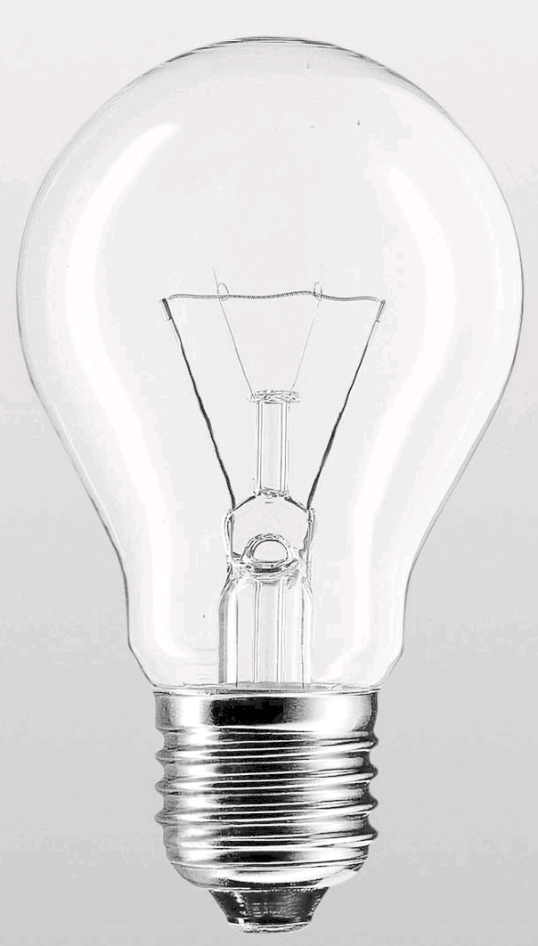
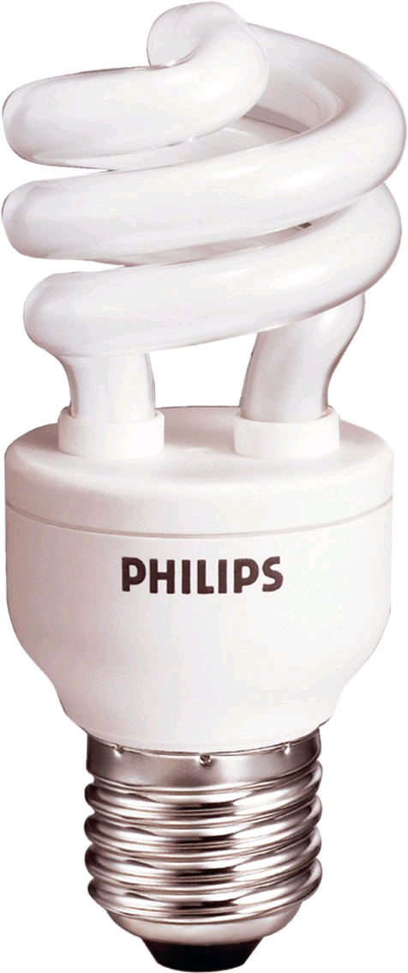
LIGHT BULBS Choosing between cheap incandescents and expensive fluorescents
Annual discount rate | 8%
Monthly discount rate | 0.643% | <-- =(1+B2)^(1/12)-1
Electric cost per kilowatt (a kilowatt = 1000 watts) | 0.10

Incandescent bulb
Watts | 100
Cost | $1.00
Hours per month used | 250
Lifetime of bulb (hours) | 1,000
Lifetime in months | 4
Monthly cost | 2.50 | <-- =B9*$B$4*B7/1000
NPV of lifetime use | 10.84 | <-- =B8+PV(B3,B11,-B12)
Monthly equivalent annuity cash flow (EAC) for cheap incandescent | 2.75 | <-- =-PMT(B3,B11,B13)

Equivalent fluorescent bulb
Watts | 15
Cost | $5.00
Hours per month used | 250
Lifetime of bulb (hours) | 10,000
Lifetime in months | 40
Monthly cost | 0.38 | <-- =B19*$B$4*B17/1000
NPV of lifetime use | 18.19 | <-- =B18+PV(B3,B21,-B22)
Monthly equivalent annuity cash flow (EAC) for expensive fluorescent | 0.52 | <-- =-PMT(B3,B21,B23)

